Sheet2
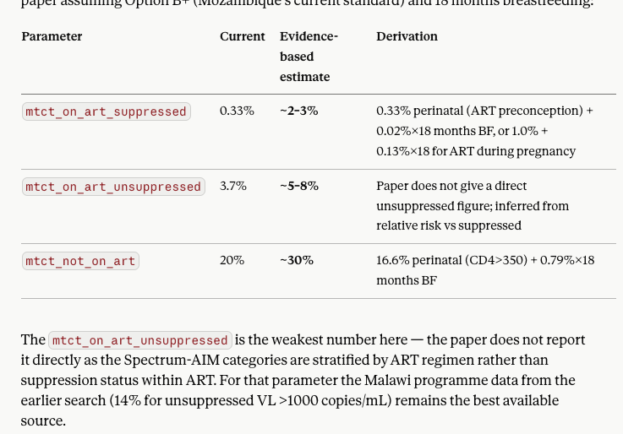
mtct_on_art_suppressed | 0.0033 | MTCT_RATES$on_art_suppressed | ON ART before conception https://www.thelancet.com/journals/lanhiv/article/PIIS2352-3018(25)00132-8/fulltext#tbl1
mtct_on_art_unsuppressed | 0.037 | MTCT_RATES$on_art_unsuppressed | MEGAN MTCT paper https://www.thelancet.com/journals/langlo/article/PIIS2214-109X(23)00588-0/fulltext
mtct_not_on_art | 0.2 | MTCT_RATES$not_on_art | https://www.thelancet.com/journals/lanhiv/article/PIIS2352-3018(25)00132-8/fulltext#tbl1

 |  |  |  |  |  |  |  |  | 14%
 |  |  |  |  |  |  |  |  | https://pmc.ncbi.nlm.nih.gov/articles/PMC6556977/

 |  |  |  |  |  |  |  | https://www.thelancet.com/journals/lanhiv/article/PIIS2352-3018(25)00132-8/fulltext

Prevention | Infant prophylaxis | infant_prophylaxis | efficacy | 0.79 | https://pmc.ncbi.nlm.nih.gov/articles/PMC6919230/#sec6 | Phillips, A. N., Bansi-Matharu, L., Shahmanesh, M., Hargreaves, J. R., Smith, J., Revill, P., ... & Cambiano, V. (2023). Potential cost-effectiveness of community availability of tenofovir, lamivudine, and dolutegravir for HIV prevention and treatment in east, central, southern, and west Africa: a modelling analysis. The Lancet Global Health, 11(10), e1648-e1657. | ARV prophylaxis efficacy for HIV-exposed infants

